Bikes
 |  |  |  |  | Oriental Sports
 |  |  |  |  | MG Road, Camp

Sr No. | Name/Title: | Discription | Qty | Category | Colors | Price | Image | Discount Price | Discount Percent:
 | T T Table & Foosball Table & Pool Table |  |  |  |  | MRP
1 | T T Table (FURY) |  | 1 Nos |  |  | 30805 | 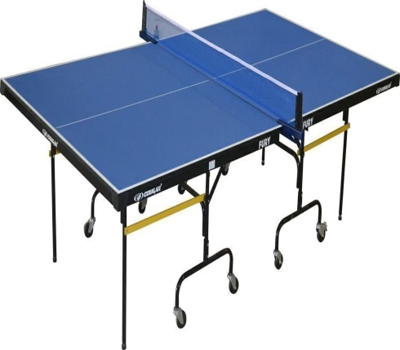

2 | T T Table (Play) |  | 1 Nos |  |  | 27655 | 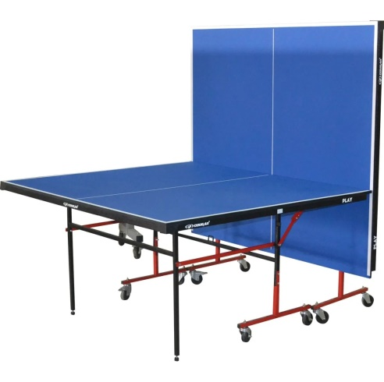

3 | T T Table (Glory) |  | 1 Nos |  |  | 29860 | 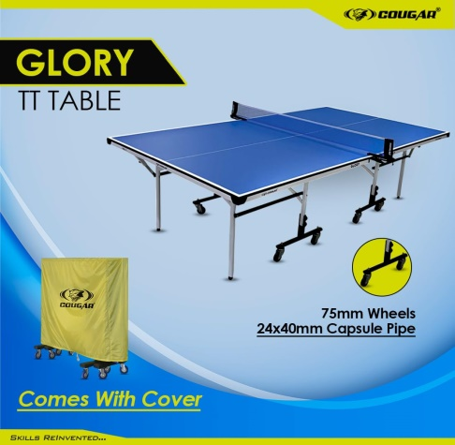

4 | T T Table (Gravity) |  | 1 Nos |  |  | 38330 | 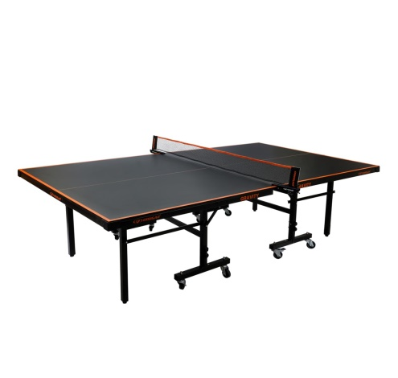

5 | T T Table (Carbon) |  | 1 Nos |  |  | 41985 | 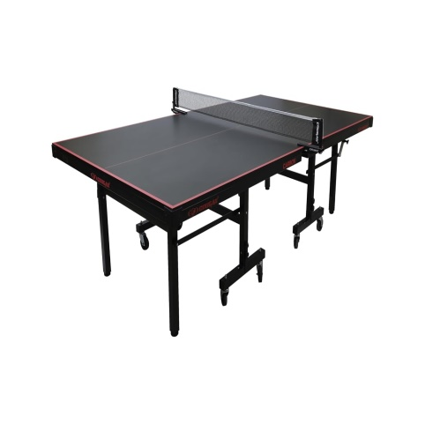

6 | Foosball Table (Premium) |  | 1 Nos |  |  | 38810 | 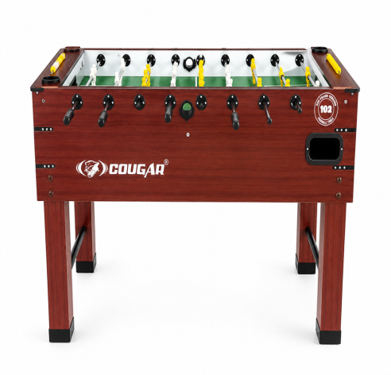

8 | Foosball Table (Prima) |  | 1 Nos |  |  | 43850 | 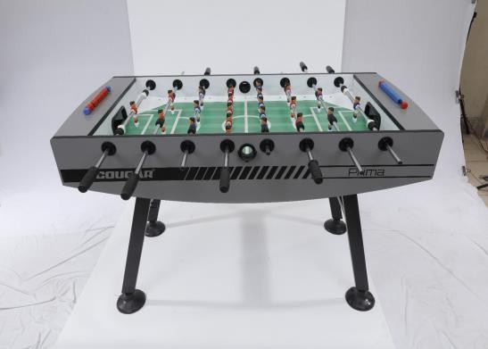

8 | Pool Table -PT-005 |  | 1 Nos |  |  | 98700 | 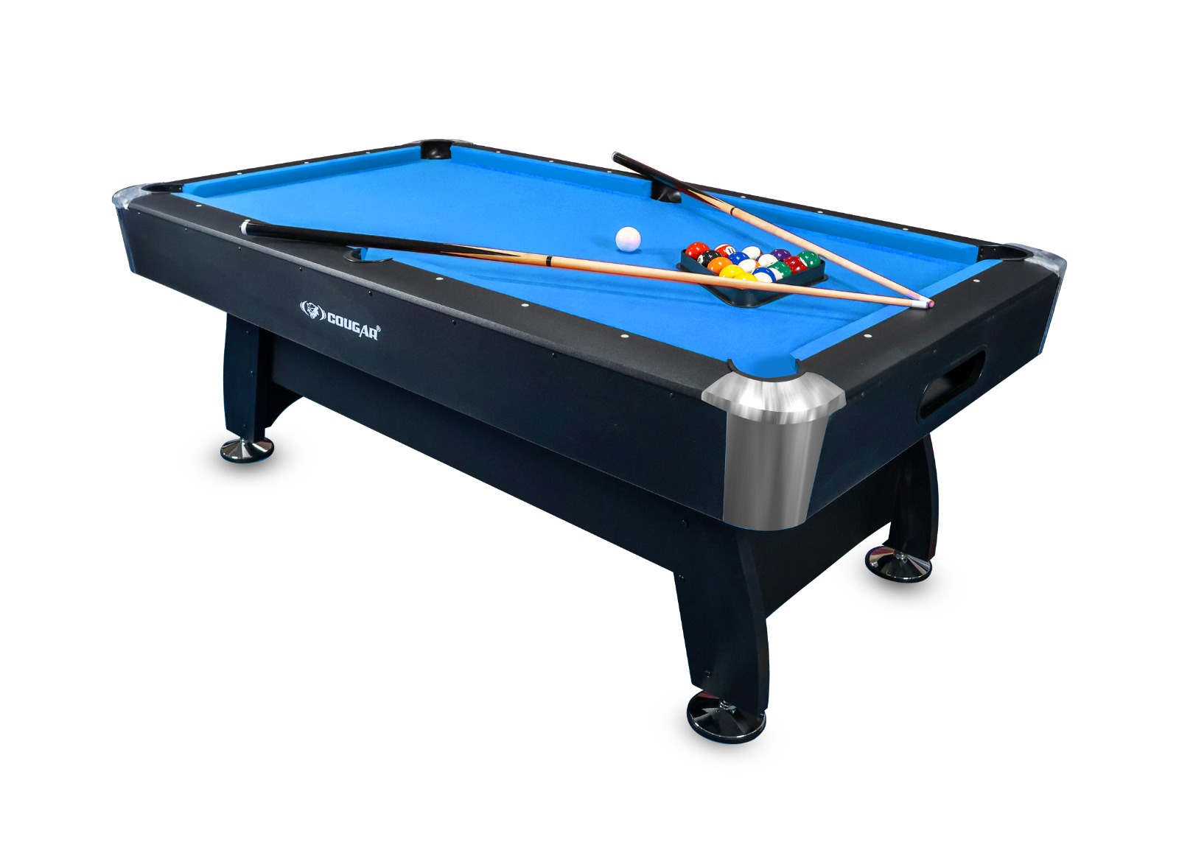

8 | Pool Table-PT-005A |  | 1 Nos |  |  | 82950 | 